Jackets latest
id | name | brand | description | category | gender | occasion | rental_price | deposit_amount | images | fabric_details | rental_price_1d (x) | rental_price_2d(x+50) | rental_price_3d(x+100) | mrp_price (price we will list ) | actual_cost(at what price we bought it) | Direct Buy Price (price at which we will sell considering the profit) | Size | Comments | Extra Info
1d6a4578-9a84-4de8-a518-0d1f7f54a4ba | Men Leather Jacket 1 | Zara | null | jackets | men | ["casual"] | 419.4 | 210 | ["https://images.unsplash.com/photo-1591047139829-d91aecb6caea?q=80&w=1000&auto=format&fit=crop"] | {"material":"Premium"} | 419.4 | 594.15 | 699 |  | 6990
J_1 | GUIA.7 "Wednesday" Urban Utility Jacket | GUIA.7 | A standout urban utility jacket in a classic camel tan shade. Designed for a techwear aesthetic, it features a high-neck stand collar and a quadruple pocket system (two vertical chest pockets and two large waist flap pockets). The piece is detailed with a signature "GUIA.7" black patch on the lower right and "WEDNESDAY" typography on the left chest. Includes adjustable drawstrings at the hem for a customizable boxy or cinched fit. |  | Unisex |  | 349 |  |  | Wind-resistant Nylon-Polyester Blend Shell; Lightweight inner lining. | 349 | 399 | 449 | 3000 | 0 | 5200 | L
J_2 | Indian Terrain Olive Green Woollen Casual Jacket | Indian Terrain | A robust olive green casual jacket featuring a full-zip front and a sophisticated dual-toned lining. The exterior is crafted from a durable wool-blend fabric, while the interior features a striped back panel and a contrasting mustard-tan fleece lining on the collar and front. Includes two welt side pockets and an inner chest pocket for utility. | Outerwear / Jackets | Men |  | 449 |  |  | Woolen Blend Exterior; Polyester/Fleece Interior Lining. | 449 | 499 | 549 | 4400 | 1200 | 2400 | L | Chest 44/46 Length 26.5
J_3 | Harley Davison Vest | Harley Davidson | Harley Davison Vest - Rare vintage item - 100% leather distressed "look" The product in the image is a Harley-Davidson leather vest, likely a "Billings" model. It is a discontinued, limited-edition item that is no longer sold at dealerships. Key features of the vest include: Material: Genuine leather exterior. Color: The vest is black or a very dark, distressed brown. Closure: Features a full zip-front closure. Pockets: Includes large front flap pockets with snap closures, as well as vertical zip pockets on the sides. Lining: The interior has a full lining, often made of 100% polyester. Style: It has a classic motorcycle vest style with a distressed appearance. | Jackets | Men |  | 599 |  |  | Leather (50% Nylon, 50 % Acetate) | 599 | 649 | 699 | 20,847 | 3000 | 5500 | M | this jacket is a retro, and very hard, so will be there for more amount of time an people will want it so can sell it at good rate | Length:23.6 in Shoulder width:16.9 in
J_4 | VTG STRUCTURE PREMIUM BOMBER LEATHER JACKET | Structure | Elevate your wardrobe with this authentic 1990s vintage bomber jacket by Structure. Drawing inspiration from the classic A2 flight jacket, this piece features a rich brown leather exterior and a full-zip front. Perfect for collectors of vintage menswear or anyone looking for a rugged, timeless aesthetic. | Jackets | Men |  | 449 |  |  | Outer Shell: Genuine Leather Lining: Fully Lined (Interior) | 449 | 499 | 549 | 4512 | 1400 | 2000 | L | this jacket is of very old quality hence take number of rents to be 10 | Chest-48 inches Shoulder-22 inches Sleeves-23 inches Length-26 inches
J_5 | Vintage Asymmetrical Zip Moto Jacket with Side Ties |  | A standout vintage piece featuring an edgy asymmetrical front zip and a snap-button mandarin collar. This dusty rose jacket is designed with unique side-tie drawstrings at the hem, allowing for a customizable cinched waist or a relaxed fit. Detailed panel stitching on the front and back provides a structured, high-fashion silhouette. |  | Women |  | 499 |  |  | Soft Sueded Cotton / Fine-wale Corduroy Blend | 499 | 549 | 599 | 5999 | 1500 | 2999 | M |  | Shoulder: 16" | Sleeves: 25" | Length: 22"
J_6 | Gina Laura Faux Fur Lined Corduroy Jacket | Gina Laura | A premium European-designed corduroy jacket in a versatile sand/tan shade. This piece features a classic button-down front with metallic buttons, two functional chest flap pockets, and a warm, plush faux-fur interior lining for maximum comfort in cold weather. The structured yet soft fabric makes it a perfect outer layer for winter travels and casual outings. |  | women |  | 349 |  |  | Shell: 100% Cotton Corduroy; Lining: High-pile Faux Fur / Sherpa (Polyester) | 349 | 399 | 449 | 4899 | 0 | 1899 | XL
J_7 | Cutti Co Rick Owens Inspired Cowl Neck Faux Leather Jacket | Cutti Co | A high-fashion statement piece featuring a signature cowl neck and asymmetrical zip closure. Crafted from premium faux leather with a matte finish, this jacket is designed to block wind and cold while providing a structured, avant-garde silhouette. The cropped length and slim sleeves offer a modern, edgy aesthetic inspired by iconic Rick Owens designs. |  | Women |  | 599 |  |  | High-Grade Faux Leather (PU) with Wind-Block Lining | 599 | 649 | 699 | 7499 | 2950 | 3999 | XS-S (Fits up to Petite M) | houlder: 15.5" | Chest: Up to 36" | Sleeves: 24" | Length: 18"
J_8 | Vintage Caritas Checkered Harrington Bomber Jacket | Caritas | A premium vintage 90s-style bomber jacket featuring a sophisticated plaid pattern in earth-tone shades. Features a pointed collar, full-zip front with a snap-button storm flap at the hem, and ribbed elasticated cuffs for a tapered fit. Soft-touch textured fabric with a lightweight inner lining. |  |  |  | 499 |  |  | Wool Blend / Heavyweight Viscose-Polyester | 499 | 549 | 599 | 4500 | 1500 | 2200 | L | I could notfind this jacket at all and dont know how to price it at alll
J_9 | H&M Premium Storm-Flap Harrington Jacket | H&M | A premium navy blue Harrington jacket featuring the classic "umbrella" back vent with button detail. Designed with a double-button funnel neck, full-zip front, and two slanted buttoned pockets. The elasticated waist and cuffs ensure a sharp, tapered silhouette. A timeless transitional piece that bridges the gap between casual streetwear and smart-casual workwear. |  | Men |  | 349 |  |  | Wool-blend or Premium Heavyweight Cotton Twill (Wind-resistant) | 349 | 399 | 449 | 5000 | 0 | 3500 | L
J_10 | SKULL CANDY Kashmiri Aari Embroidered Jacket | Galli | A premium streetwear statement piece from the Naazneen collection. This jacket features authentic Kashmiri Aari (chain-stitch) embroidery that captures the vibrant greenery of Kashmir's meadows. Crafted with over 14 human hours of labor, it includes unique motifs, a structured collar, and a modern boxy silhouette. |  | unisex |  | 749 |  |  |  | 749 | 799 | 849 | 8550 | 4702 | 5000 | L
J_11 | Crafted Heavy Metal Studded Faux Leather Biker Jacket | Crafted (Republic) | A high-octane rebel piece featuring extensive silver-tone pyramid studding across the lapels, collar, and shoulders. This biker-style jacket is made from premium black faux leather with a matte finish. It includes an asymmetrical front zip, functional zippered pockets, belted waist accents, and a unique quilted lumbar panel for added structure and style. |  | unisex |  | 549 |  |  | Shell: 100% Polyurethane (PU); Lining: 100% Polyester; Hardware: Stainless Steel Studs | 549 | 599 | 649 | 7999 | 2400 | 4499 | M
J_12 | MIRCHI Corduroy Smart Casual Shirt | Galli | An essential smart-casual shirt in a vibrant chilli red, crafted from fine lightweight corduroy with precision tailoring. It features a distressed hand-embroidered patch in Aari work, a '10Paisa' and 'Royal Bengal Tiger' retro stamp, and your chosen regional language embroidered on the collar. Includes a 'kaala-machine' patch as a homage to Indian household tailoring stories. |  | Unisex |  | 499 |  |  | Fine Lightweight Corduroy; Aari Embroidery; 8 man hours of labor. | 499 | 549 | 599 | 3495 | 1922 | 2199 | M
J_13 | WES Casuals Light Beige Relaxed-Fit Utility Jacket | WES Casuals (Westside) | A sophisticated, minimalistic utility jacket in a versatile light beige. Designed in a relaxed fit for effortless layering, it features a dual closure system (zip-front with a concealed snap-button placket). The jacket is finished with a mock collar, structured paneling, and a clean-cut hem, making it an ideal choice for both smart-casual and travel wear. |  | Men |  | 449 |  |  | Lightweight Cotton-Polyester Blend (Wind-resistant) | 449 | 499 | 549 | 2599 | 1200 | 1899 | M
J_14 | ICEBERG Embroidered Crop Denim Jacket | Galli | A light denim crop jacket featuring 3 layers of block print and a 4-layered 3D print. The centerpiece is the 2-colored Kashmiri Aari (chain stitch) made traditionally on an 'Adda,' taking approximately 14 human hours to complete. Design includes 'Galli' embroidered in both English and Urdu, winged collars, and flared cuffs for a high-fashion silhouette |  | unisex |  | 699 |  |  | Double Dyed Twill Fabric (Denim-style weight) with Stitched Kashmiri Aari and Screen Printing. | 699 | 749 | 799 | 6899 | 3794 | 4599 | XL | 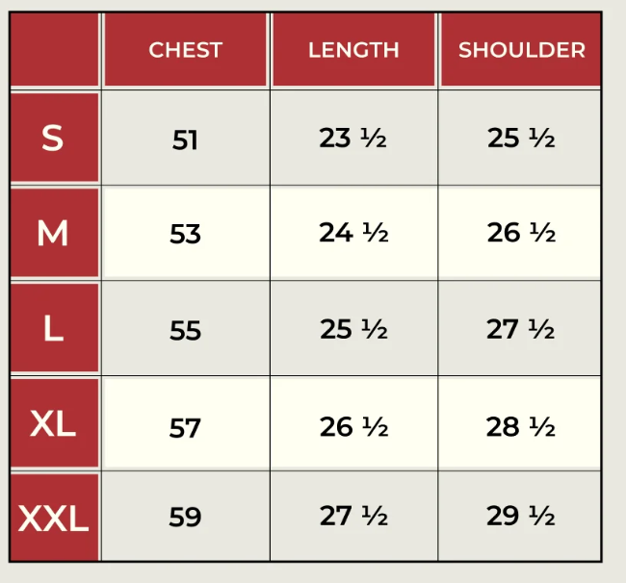
J_15 | H&M Utility Cotton Twill Field Jacket | H&M | A rugged, workwear-inspired utility jacket in washed anthracite grey. Features a stand-up collar with snap-button closure, a full-zip front with a storm flap, and oversized 3D bellows pockets for a tactical look. Constructed from heavyweight cotton twill with articulated sleeve detailing and an adjustable drawstring hem for a customizable fit. |  | unisex |  | 349 |  |  | 100% Heavyweight Cotton Twill (Canvas texture) | 349 | 399 | 449 | 4500 | 0 | 2499 | L

